Functional
BugReport 41 |  |  |  | Date | 2023-03-03
Reporter: | Mykola Galich | Assignee: | Dariia Hrezhbik | Status: | In progress
Type: | functional | Severity: | Blocker | Priority: | High
Browser: | Google Chrome | OS: | Windows | OS version | 10
Summary: | A transaction with an amount greater than or equal to 100000 can not be added
Description:

Pre-conditions:
1 | Main page of application opened
Steps to reproduce:
1 | On main page click the button "+".
2 | Fill the transaction form besides the sum field with valid data
3 | Input digit >=100000 in the field of sum
Actual result:
Input sum of transaction >=100000 disallowed, inscription "amount must be at most 8 characters" is appearing.

Expected result:
Transaction completed.
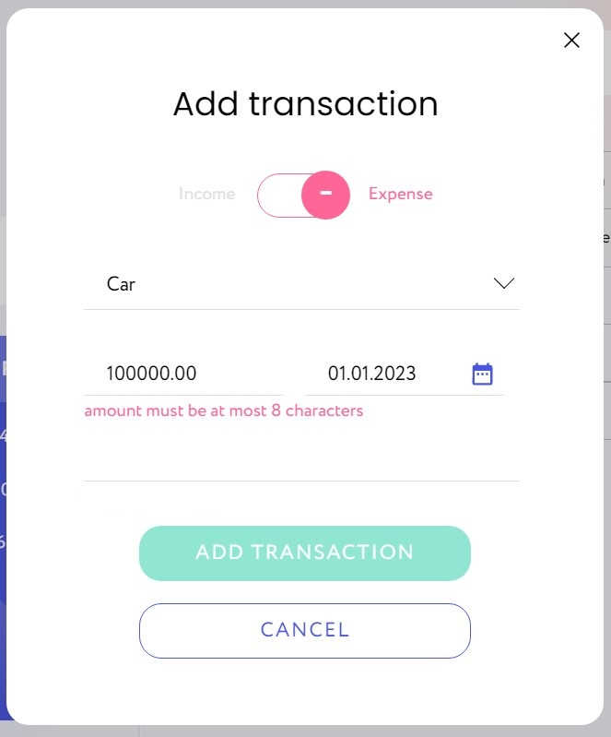
Attachments:
Additional info: The terms of reference do not provide for a limit on the amount of a transaction

BugReport 42 |  |  |  | Date | 2023-03-03
Reporter: | Mykola Galich | Assignee: | Dariia Hrezhbik | Status: | In progress
Type: | functional | Severity: | Critical | Priority: | High
Browser: | Google Chrome | OS: | Windows | OS version | 10
Summary: | The date of the transaction in the statistic table does not match the entered date
Description:

Pre-conditions:
1 | Main page of application opened
2 | The transaction form is opened
Steps to reproduce:
1 | Fill the transaction form with valid data
2 | Confirm the transaction by pressing a button "ADD"
Actual result:
Transaction in statistic table shows day before entered date

Expected result:
The date in the statistics table matches the date entered in the form
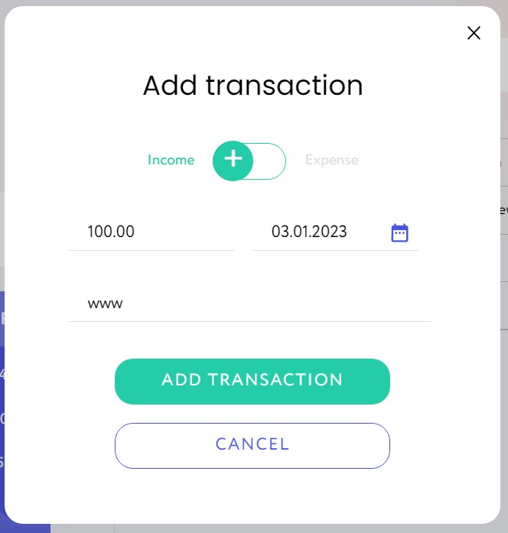
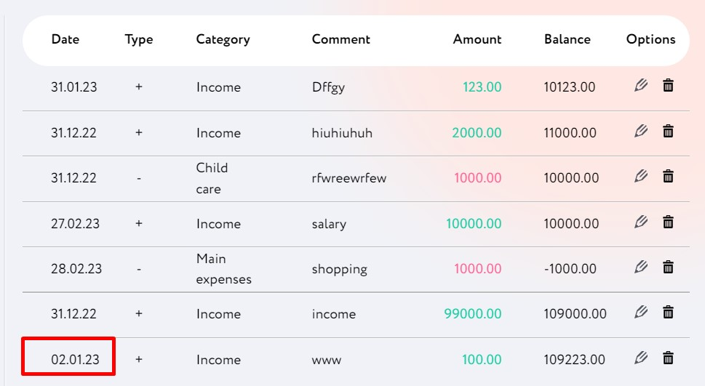
Attachments:
Additional info:

BugReport 48
ID : 2.1
Reporter: | Yevhen Potoplyak | Assignee: | Dariia Hrezhbik | Status: | new/open
Type: | functional | Severity: | minor | Priority: | medium
Browser: | Google Chrome | OS: | Windows | OS version | 10
Summary: | Calendar in statictics section can be opened for future periods
Description: | It's possible to choose future dates in calendar

Pre-conditions:
1 | https://wallet-q-a.netlify.app/ opened in browser
2 | User authorized
3 | Transaction added to any month of any year
Steps to reproduce:
1 | Click on "Diagram" at left side of page
2 | Click on drop-down menu "Months"
3 | Choose month of previously added transaction
4 | Open years list from drop-down menu "Years"
Actual result:
Calendar is closed by default. Adding transaction opens it's month and year including combination of future month of current year.

Expected result:
Calendar is opened until current date

Attachments:
Additional info:
Unclear requirements.

BugReport 51
ID 1.5
Reporter: | Zinaida Liashenko | Assignee: | Dariia Hrezhbik | Status: | new/open
Type: | functional | Severity: | Major | Priority: | Medium
Browser: | Google Chrome 110.0.5481.177 | OS: | Windows | OS version | 10 Pro
Summary: | The Exit modal window is not shown and the user is immediately logged out after clicking on the Exit button
Description:

Pre-conditions:
1 | https://wallet-q-a.netlify.app is open.
2 | The user is authorized.
Steps to reproduce:
1 | Click on the Exit button in the header
Actual result:
User is logged out.

Expected result:
The modal window with the text "Are you sure you want to log out?" and the ability to confirm or decline is shown

Attachments:

Additional info:

BugReport 53
ID 5.2
Reporter: | Iryna Kaniuk | Assignee: | Dariia Hrezhbik | Status: | new
Type: | functional | Severity: | Minor | Priority: | Medium
Browser: | Google Chrome Version 110.0.5481. | OS: | Windows | OS version | 10
Summary: | Currency prices "Buying rate" and "Selling rate" are the same in PLN
Description:
 | currency price "Buying rate" and "Selling rate" are same in PLN in table "Currency"
Pre-conditions:
1 | Open Home page
2 | User authorized
Steps to reproduce:
1 | Pay attention on the price currency PLN in table "Currency" on the main page
Actual result:
Currency prices PLN is same in Buying rate and Selling rate

Expected result:
Currency prices PLN are different in Buying rate and Selling rate

Attachments:

Additional info:

BugReport 56
ID 5.5
Reporter: | Iryna Kaniuk | Assignee: | Dariia Hrezhbik | Status: | new
Type: | functional | Severity: | Minor | Priority: | Low
Browser: | Google Chrome Version 110.0.5481. | OS: | Windows | OS version | 10
Summary: | The transaction without comment cannot be added
Description:

Pre-conditions:
1 | User authorized
2 | Home page opened
Steps to reproduce:
1 | Click on the "+" to add transaction.
2 | A modal window "Add transaction" pops up.
3 | Fill in mandatory fields with valid data.
4 | Press "Add"
Actual result:
The "ADD" transaction button is not active, user cannot add transaction.

Expected result:
New transaction is added.
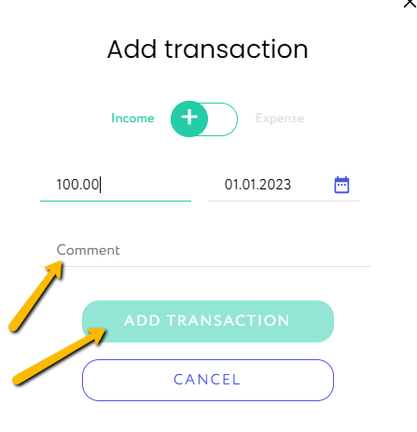
Attachments:
Additional info:

BugReport 57
ID 5.6
Reporter: | Iryna Kaniuk | Assignee: | Dariia Hrezhbik | Status: | new
Type: | functional | Severity: | Major | Priority: | High
Browser: | Google Chrome Version 110.0.5481. | OS: | Windows | OS version | 10
Summary: | UA alphabet is not recognized in the comment field while adding a transaction
Description:
 | No possible to add transaction if the comment is written in UA language (UA version of website)
Pre-conditions:
1 | User authorized
2 | Home page opened
Steps to reproduce:
1 | Click on UA flag to change interface language to UA
2 | Click on the "+" to add transaction
3 | A modal window "Add transaction" pops up
4 | Fill in all relevant fields with valid data
5 | Fill in the field for comment with letters
6 | Press "Add"
Actual result:
The "ADD" transaction button is not active, user cannot add transaction.

Expected result:
The new transaction with all entered data is added.

Attachments: | 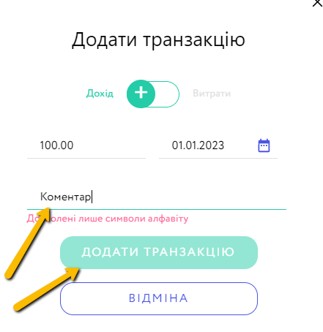

Additional info:

BugReport 58
ID 5.7
Reporter: | Iryna Kaniuk | Assignee: | Dariia Hrezhbik | Status: | new
Type: | functional | Severity: | Minor | Priority: | Low
Browser: | Google Chrome Version 110.0.5481. | OS: | Windows | OS version | 10
Summary: | Notification to fill in all mandatory fields does not appear when trying to add transaction with empty fields
Description:

Pre-conditions:
1 | User authorized
2 | Home page opened
Steps to reproduce:
1 | On Home page click on "+" to add transaction
2 | A modal window "Add transaction" pops up
3 | Keep all fields empty
4 | Press "Add"
Actual result:
No notification appears to fill in all mandatory fields when pressing button "Add" with empty fields

Expected result:
A notification to fill in all mandatory fields will appear when pressing button "Add" with empty fields

Attachments:

Additional info:

BugReport 59
ID 5.8
Reporter: | Iryna Kaniuk | Assignee: | Dariia Hrezhbik | Status: | new
Type: | functional | Severity: | Minor | Priority: | Low
Browser: | Google Chrome Version 110.0.5481. | OS: | Windows | OS version | 10
Summary: | The "Add transaction" modal window doesn't get closed by clicking on grey area
Description:

Pre-conditions:
1 | User authorized
2 | Home page opened
Steps to reproduce:
1 | Click on the "+" to add transaction
2 | A "Add transaction" modal window pops up
3 | Press on the grey area beyond the modal window frame
Actual result:
The modal window is not closed

Expected result:
The modal window is closed

Attachments:
Additional info:

BugReport 60
ID : 2.3
Reporter: | Yevhen Potoplyak | Assignee: | Dariia Hrezhbik | Status: | new/open
Type: | functional | Severity: | Major | Priority: | medium
Browser: | Google Chrome 110.0.5481.178 | OS: | Windows | OS version | 10 v. 21h2
Summary: | Update transaction request through Swagger calculates wrong balance
Description: | Wrong balance calculated while updating existing transaction

Pre-conditions:
1 | https://wallet.goit.ua/docs/ opened in browser
2 | User authorized
3 | Swagger session is authorized with user's token
Steps to reproduce:
1 | Click on "PATCH ​/api​/transactions​/ Update transaction"
2 | Click "Try it out"
3 | Input existing transaction ID into field "transactionId"
4 | Input the same transaction ID, type, comment and amount into "Request body" window
5 | Click "Execute"
6 | Check "Actual balance" result
Actual result:
Zero actual balance shown

Expected result:
Actual balance re-calculates correctly

Attachments: | 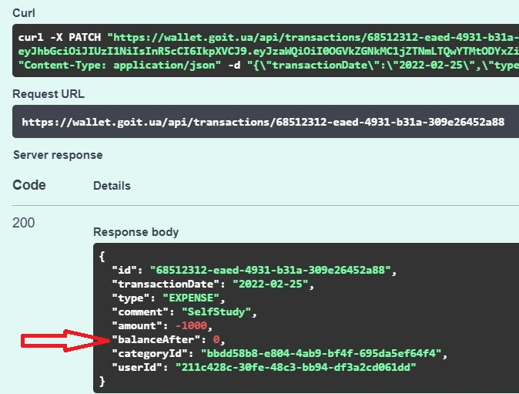
Additional info:

BugReport 62
ID : 8.3
Reporter: | Oksana Maksymchenko | Assignee: | Dariia Hrezhbik | Status: | new
Type: | functional | Severity: | minor | Priority: | Medium
Browser: | Microsoft Edge | OS: | Windows | OS version | 11
Summary: | User can edit the transaction amount of the Expense existing transaction
Description:

Pre-conditions:
1 | https://wallet-q-a.netlify.app/home is opened
2 | User authorized
3 | There is an expense existing transaction
Steps to reproduce:
1 | Click on the edit icon of the expense existing transaction
2 | Change the cost amount
3 | Click on the "Change transaction" button
Actual result:
The transaction is shown in the transaction table with new amount

Expected result:
A window appears with information that this field cannot be changed.

Attachments:
Additional info:

BugReport 63
ID : 8.4
Reporter: | Oksana Maksymchenko | Assignee: | Dariia Hrezhbik | Status: | new
Type: | functional | Severity: | minor | Priority: | Medium
Browser: | Microsoft Edge | OS: | Windows | OS version | 11
Summary: | The user can edit the transaction date of the existing transaction
Description:

Pre-conditions:
1 | https://wallet-q-a.netlify.app/home is opened
2 | User authorized
3 | There is an existing transaction
Steps to reproduce:
1 | Click on the edit icon of the existing transaction
2 | Change the transaction date
3 | Click on the "Change transaction" button
Actual result:
The transaction is shown in the transaction table with new date.

Expected result:
A window appears with information that this field cannot be changed

Attachments:
Additional info:

BugReport 76
ID : 7.3.6
Reporter: | Svitlana Hnatiuk | Assignee: | Dariia Hrezhbik | Status: | new
Type: | functional | Severity: | minor | Priority: | medium
Mobile Browser: | Google Chrome | OS: | Windows | OS version | 10
Summary: | The expense diagram shows 1 when there was no expense in the selected month
Description: | hovering over a chart in the "Chart" tab shows 1$ when there is no expense transaction in the chosen month

Pre-conditions:
1 | website https://wallet-q-a.netlify.app/ is opened
2 | the user is authorized

Steps to reproduce:
1 | Click on the "+" to add transaction.
2 | Click on the switcher to choose Income transaction.
3 | Fill the fields with valid data, choose the month where there were no expense transaction
4 | Click on the "Add transaction" button
5 | Click on the "Diagram" icon
6 | Choose the month and year selected in step 3.
7 | Mouse over the statistics expense diagram
Actual result:
The expense diagram shows 1

Expected result:
There is no expense diagram because the value is 0

Attachments: | 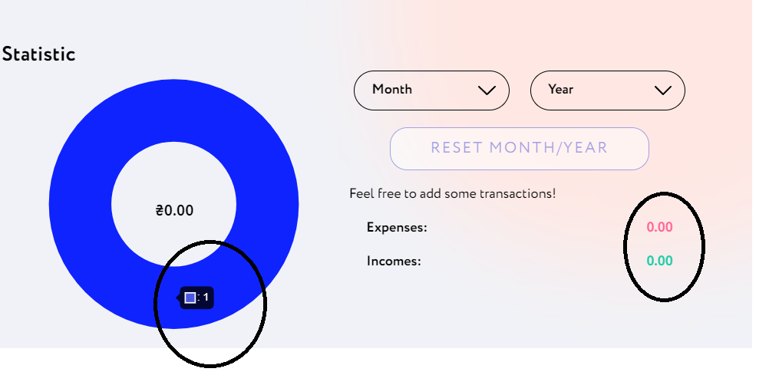
Additional info:

BugReport 77
ID : 7.3.7
Reporter: | Svitlana Hnatiuk | Assignee: | Dariia Hrezhbik | Status: | new
Type: | functional | Severity: | minor | Priority: | medium
Mobile Browser: | Google Chrome | OS: | Windows | OS version | 10
Summary: | The icon "+" for adding a transaction is shown when you first go to the page "Diagram"
Description: | when you first go to the page the icon "+" for adding a transaction appears in the"Diagram" window.On the second and subsequent visits to this page, the "+" icon is missing

Pre-conditions:
1 | website https://wallet-q-a.netlify.app/ is opened
2 | go to page "Diagram"
Steps to reproduce:
1 | pay attention to icon "+" in the lower right corner
Actual result:
the "+" icon for adding a transaction is displayed in the lower right corner of the workspace

Expected result:
the "+" icon for adding a transaction is apsent

Attachments: | 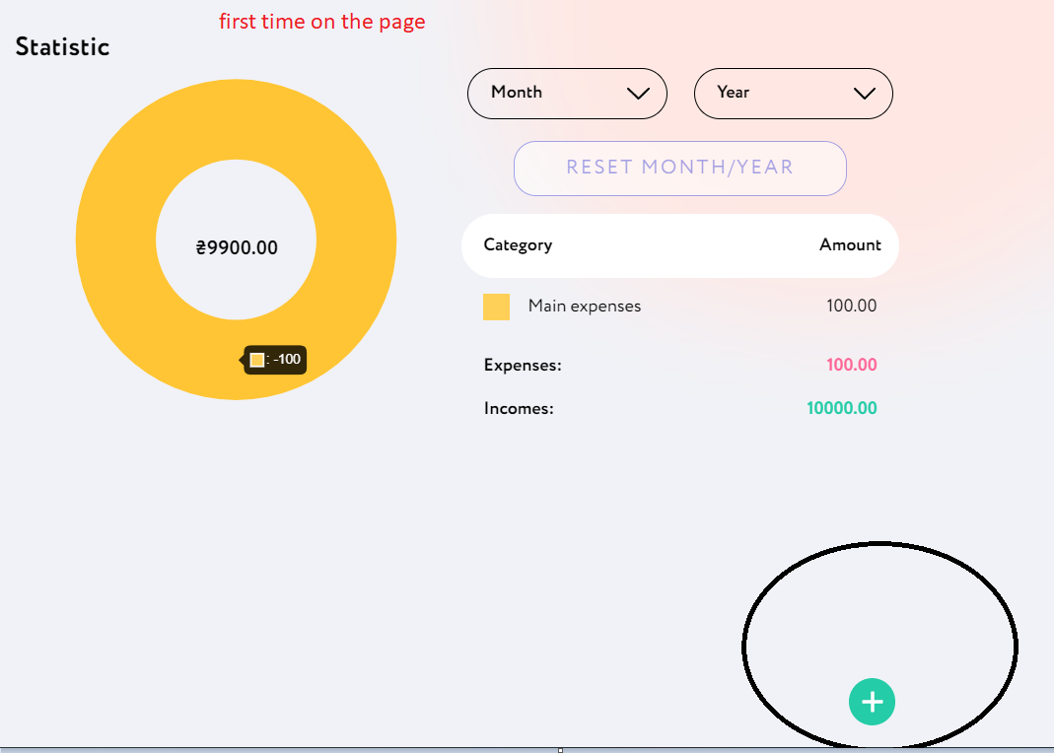 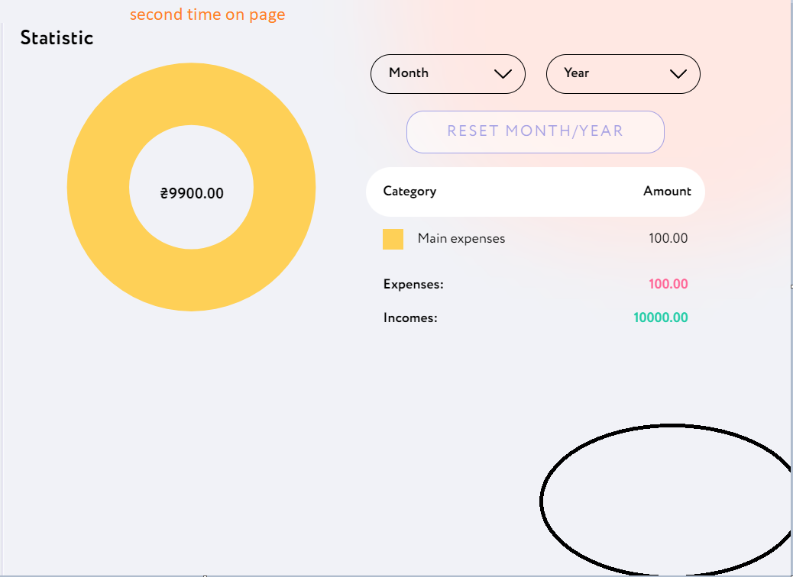
Additional info:

BugReport 78

Reporter: | Zinaida Liashenko | Assignee: | Dariia Hrezhbik | Status: | new
Type: | functional | Severity: | Major | Priority: | High
Browser: | Google Chrome Version 110.0.5481. | OS: | Windows | OS version | 10
Summary: | The error about the amount not entered does not appear in the add transaction window when the entered amount is 0.00
Description:

Pre-conditions:
1 | Home page opened
2 | User is authorised
Steps to reproduce:
1 | Click on the "+" to add transaction
2 | Fill in all relevant fields with valid data besides Amount
3 | Fill in the Amount with 0.00
4 | Press "Add"
Actual result:
The "Add transaction" modal window closed and reopened.

Expected result:
An error about the amount not entered should appear in the window

Attachments:

Additional info:

BugReport 79
ID | #5.3
Reporter: | Iryna Kaniuk | Assignee: | Dariia Hrezhbik | Status: | new
Type: | functional | Severity: | Major | Priority: | Medium
Browser: | Google Chromee Version 110.0.5481. | OS: | Windows | OS version | 10
Summary: | The date field does not display current date correctly when creating a transaction
Description:
 | When adding a new transaction, instead of a current date, 01.01.2023 is shown
Pre-conditions:
1 | User authorized
2 | Open Home page
Steps to reproduce:
1 | On Home page click on "+" to add transaction
2 | A modal window "Add transaction" pops up
3 | Check the field date near calendar where a current date should appear
Actual result:
By default 01.01.2023 is displayed

Expected result:
By default current date is displayed in the date field

Attachments:

Additional info:

BugReport 75
ID : 7.3.5
Reporter: | Svitlana Hnatiuk | Assignee: | Dariia Hrezhbik | Status: | new
Type: | functional | Severity: | minor | Priority: | medium
Mobile Browser: | Google Chrome | OS: | Windows | OS version | 10
Summary: | There is no limit to the number of characters in the "Comment" input field
Description: | the "Comment" input field has an unlimited number of characters

Pre-conditions:
1 | website https://wallet-q-a.netlify.app/ is opened
2 | the user is authorized
3 | click on "+" for add transaction

Steps to reproduce:
1 | enter more than 300 characters in the "Comment" field

Actual result:
There are no restrictions in the "Comment" input field, unlimited number of characters can be entered

Expected result:
There is a character limit in the "Comments" field

Attachments: | 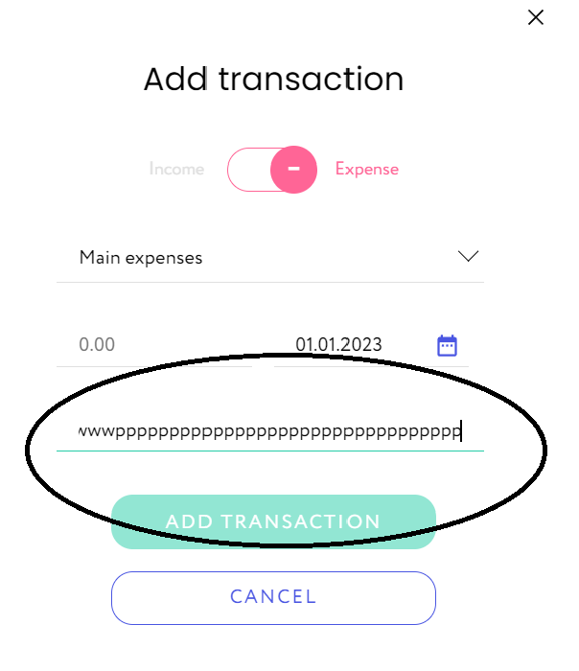
Additional info:

Non functional
BugReport 9
ID : 7.3.4
Reporter: | Svitlana Hnatiuk | Assignee: | Dariia Hrezhbik | Status: | new
Type: | non functional | Severity: | minor | Priority: | medium
Mobile Browser: | Safari 4.0 | OS: | IOS 16.1.3 | mobile version | 10
Summary: | No scrollbar in modal window "Add transaction" to view full information
Description: | No scrollbar in modal window "Add transaction" to view full information when choosing a category "Expense"

Pre-conditions:
1 | website https://wallet-q-a.netlify.app/ is opened
2 | the user is authorized
Steps to reproduce:
1 | Click on the "+" to create a new transaction
2 | Choose the "Expense" category
Actual result:
No scrollbar in the "Add transaction" modal window. It is impossible to see the full list of expenses

Expected result:
The scrolbar is present, it is possible to scroll down.

Attachments: | 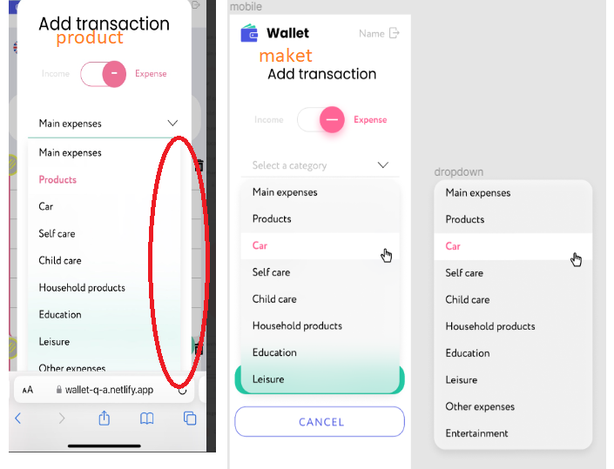
Additional info:

BugReport 38 |  |  |  | Date | 2023-03-03
Reporter: | Mykola Galich | Assignee: | Dariia Hrezhbik | Status: | In progress
Type: | non functional | Severity: | Critical | Priority: | High
Browser: | Google Chrome | OS: | Windows | OS version | 10
Summary: | Possible length of password less than specified in the Terms of Reference when register in the system
Description:

Pre-conditions:
1 | https://wallet-q-a.netlify.app/register is open
2 | Registration page is open
Steps to reproduce:
1 | Input valid characters in the "Password" field
Actual result:
The app only allows max 12 characters to be entered

Expected result:
The password must contain numbers and letters from 6 to 16 (inclusive) characters

Attachments:
Additional info:

BugReport 39 |  |  |  | Date | 2023-03-03
Reporter: | Mykola Galich | Assignee: | Dariia Hrezhbik | Status: | In progress
Type: | non functional | Severity: | Critical | Priority: | High
Browser: | Google Chrome | OS: | Windows | OS version | 10
Summary: | There is no verification procedure for e-mail address during registration of new user
Description: | The new user's address does not pass the verification procedure, as a result of which it is possible to register with a non-existent address

Pre-conditions:
1 | https://wallet-q-a.netlify.app/register is open
Steps to reproduce:
1 | Input any non-existent email.address in the email address field of new user registration form
2 | Fill all fields in the form with valid data
3 | Click on the "REGISTER" button
Actual result:
A non-existent address is accepted

Expected result:
It is not possible to register with a non-existent email address

Attachments:
Additional info:

BugReport 66
ID : 8.6 /8.7
Reporter: | Oksana Maksymchenko | Assignee: | Dariia Hrezhbik | Status: | new
Type: | non functional | Severity: | minor | Priority: | low
Browser: | Samsung Internet | OS: | Mobile | OS version | Android 13
Summary: | No "eye" icon beside the password field will toggle the password visibility
Description:

Pre-conditions:
1 | https://wallet-q-a.netlify.app/home is opened
Steps to reproduce:
1 | Enter data in the password field.
Actual result:
The password is encrypted. There is no eye icon beside the password field

Expected result:
The password is encrypted. There is an "eye" icon beside the password field will toggle the password visibility

Attachments:
Additional info:

BugReport 72
Reporter: | Yevhen Potoplyak | Assignee: | Dariia Hrezhbik | Status: | new/open
Type: | non functional | Severity: | Critical | Priority: | Major
Browser: | Google Chrome | OS: | Windows | OS version | 10
Summary: | Authorization token for API access does not have expiry time
Description: | Authorization token for logged in user is valid without any time restrictions
Pre-conditions:
1 | https://wallet.goit.ua/docs/ opened in browser
2 | The user is authorized.
3 | Swagger session is authorized with user's token

Steps to reproduce:
1 | Wait for the expiration of the token (session must be finished automatically)
Actual result:
User session does not expire after 48 hours

Expected result:
User session expires, user is logged out

Visual
BugReport 3
7.20
Reporter: | Svitlana Hnatiuk | Assignee: | Dariia Hrezhbik | Status: | new
Type: | visual | Severity: | minor | Priority: | medium
Browser: | Google Chrome | OS: | Windows | OS version | 10
Summary: | The element "+"goes beyond the screen at 100% scale
Description: | The element "+" Add Transaction goes beyond goes beyond the scope of work at 100% scale

Pre-conditions:
1 | Website https://wallet-q-a.netlify.app/ is opened
2 | The user is authorized
Steps to reproduce:
1 | Change scale on PC to 100%
Actual result:
The element "+" goes beyond the screen.

Expected result:
The element "+" is located in the lower right corner and fully visible.

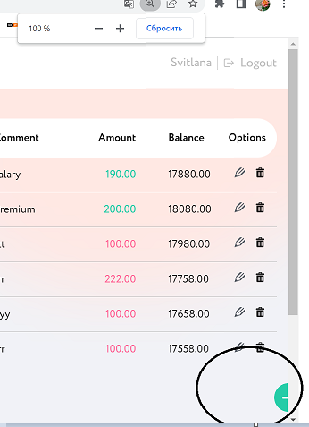 Attachments:
Additional info:

BugReport 4
ID : 7.21
Reporter: | Svitlana Hnatiuk | Assignee: | Dariia Hrezhbik | Status: | new
Type: | visual | Severity: | minor | Priority: | medium
Mobile Browser: | Safari 4.0 | OS: | IOS 16.3.1 | OS mobile | 10
Summary: | The "Cancel" element goes beyond the screen in the modal window "Add transaction" in vertical position when the button "Expense" is chosen
Description: | The "Cancel" element goes beyond the screen in the modal window "Add transaction" in vertical position when the button "Expense" is chosen in module "Add Transaction"

Pre-conditions:
1 | Website https://wallet-q-a.netlify.app/ is opened
2 | The user is authorized
Steps to reproduce:
1 | Click on the "+" to create a new transaction.
2 | Choose the "Expense" radio button.
3 | Pay attention on the "Cancel" element.
Actual result:
The "Cancel" element goes beyond the screen.

Expected result:
The "Cancel" element is located in the working field and visible.

Attachments: | 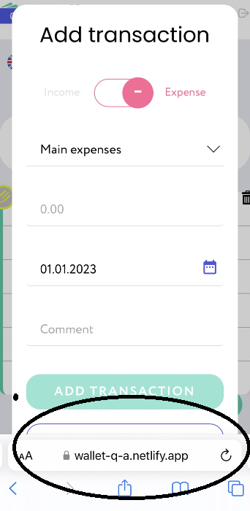
Additional info:

BugReport 5
ID : 7.3
Reporter: | Svitlana Hnatiuk | Assignee: | Dariia Hrezhbik | Status: | new
Type: | visual | Severity: | minor | Priority: | medium
Mobile Browser: | Safari 4.0 | OS: | IOS 16.3.1 | mobile model | 10
Summary: | The names of element "LOGIN", "REGISTER" and "Password" are different from the website layout at the authorization page
Description: | The names of elements don't match the website layout, the spelling of the Login , Register and Pasword elements is different on the authorization page

Pre-conditions:
1 | Website https://wallet-q-a.netlify.app/ is opened
Steps to reproduce:
1 | Pay attention to the spelling of the LOGIN ,REGISTER and Password elements
Actual result:
The "LOG IN" field name is "LOGIN", the "REGISTER" field name is "SIGN UP" the "password" field is "Password"

Expected result:
The "LOG IN" , "REGISTER" and "Password" button names are the same in the website layout

Attachments: | 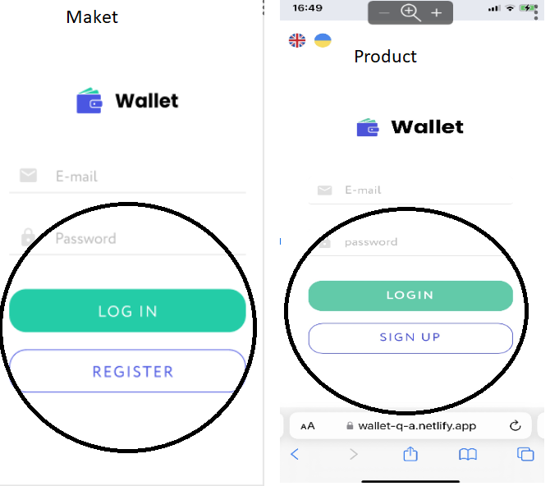
Additional info:

BugReport 6
ID : 7.3.1
Reporter: | Svitlana Hnatiuk | Assignee: | Dariia Hrezhbik | Status: | new
Type: | visual | Severity: | minor | Priority: | medium
Mobile Browser: | Safari 4.0 | OS: | IOS 16.1.3 | mobile version | 10
Summary: | Incorrectly signed input fields "Password" and "Your name" at the registration page
Description: | The names of element "Password", "Your name" are different from the website layout at the registration page

Pre-conditions:
1 | Website https://wallet-q-a.netlify.app/ is opened
Steps to reproduce:
1 | Click on the Sign Up button.
2 | Pay attention on the inscriptions of input fields
Actual result:
The insctiption of the password input field is "password" and name input field is "Enter your name"

Expected result:
The insctiption of the password input field is "Password" and name input field is "First name"

Attachments: | 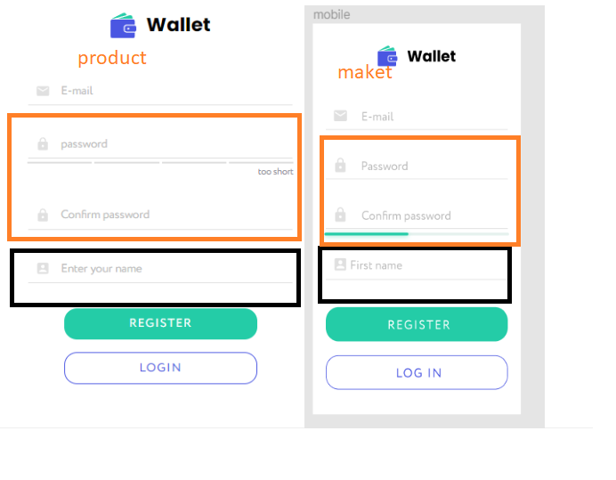
Additional info:

BugReport 7
ID : 7.3.2
Reporter: | Svitlana Hnatiuk | Assignee: | Dariia Hrezhbik | Status: | new
Type: | visual | Severity: | minor | Priority: | medium
Mobile Browser: | Safari 4.0 | OS: | IOS 16.1.3 | mobile version | 10
Summary: | The bold font, the location of the "Edit", and "Delete" elements, and the inscription "Sum" do not match the website layout
Description: | The bold font "Your balance" in main page is different, inscription "Sum" doesn't match the layout and website

Pre-conditions:
1 | Website https://wallet-q-a.netlify.app/ is opened
2 | The user is authorized
Steps to reproduce:
1 | Pay attention to the bold font in the main page ,inscription "Sum"-layout and "Amount"-website
2 | Pay attention on the location of elements "edit" and on icon "deletе" in the main page
Actual result:
The font of amount is normal
"Edit" and "Delete" options show as icons, inscription "Amount"
Inscription "Amount"
Expected result:
The font of amount is bold
"Edit" and "Delete" options are buttons
Insctiption "Sum"
Attachments: | 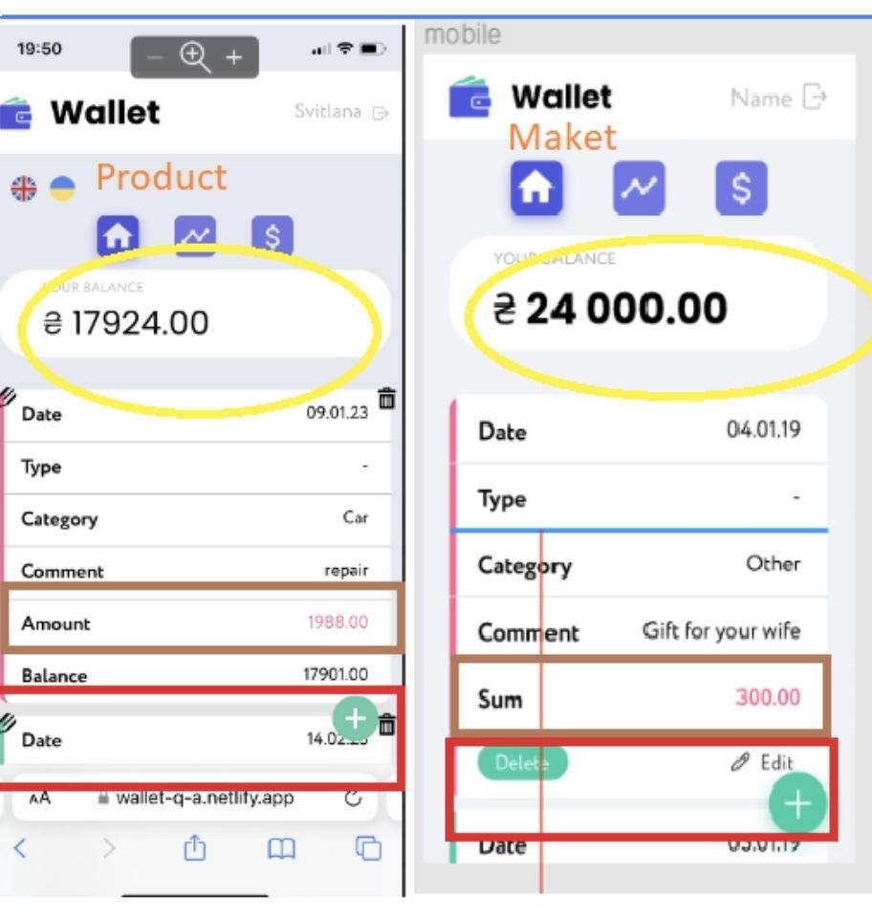
Additional info:

BugReport 11
ID : 7.20.1
Reporter: | Svitlana Hnatiuk | Assignee: | Dariia Hrezhbik | Status: | new
Type: | visual | Severity: | minor | Priority: | medium
Mobile Browser: | Safari 4.0 | OS: | IOS 16.1.3 | mobile version | 10
Summary: | The "ADD TRANSACTION" button goes beyond the working field when changing the position of the phone
Description: | if you change the position of the phone to horizontal and then turn the sign to vertical, the button "ADD TRANSACTION" goes outside the field

Pre-conditions:
1 | Website https://wallet-q-a.netlify.app/ is opened
2 | The user is authorized
Steps to reproduce:
1 | Click on the "+" to create a new transaction
2 | Change the phone orientation to horizontal and back to vertical
3 | Pay attention to the button "ADD TRANSACTION"
Actual result:
The "ADD TRANSACTION" button goes beyond the working field

Expected result:
The "ADD TRANSACTION" button remains in place

Attachments: | 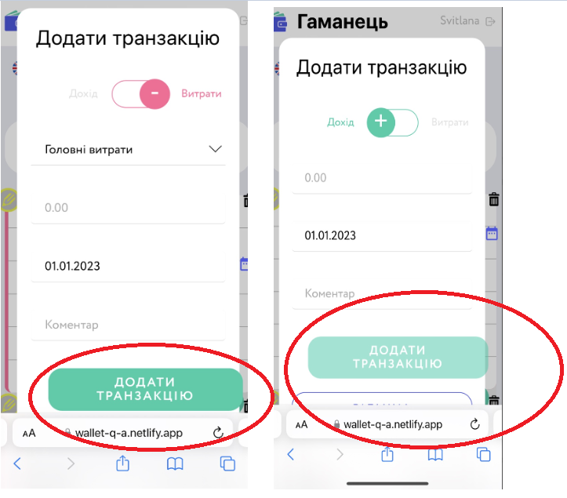
Additional info:

BugReport 13
ID : 3.2
Reporter: | Dolhyi Marian | Assignee: | Dariia Hrezhbik | Status: | new/open
Type: | visual | Severity: | Medium | Priority: | Low
Browser: | Google Chrome | OS: | Windows | OS version | 11
Summary: | Incorrectly signed button - Statistics at left side of page
Description: | At the layout page may named - Statistics but at site it`s named - diagram

Pre-conditions:
1 | https://wallet-q-a.netlify.app/diagram opened in browser
2 | User authorized
Steps to reproduce:
1 | At the left side of page check button "Diagram"
Actual result:
Button named "Diagram"

Expected result:
Button named "Statistics"

Attachments: | 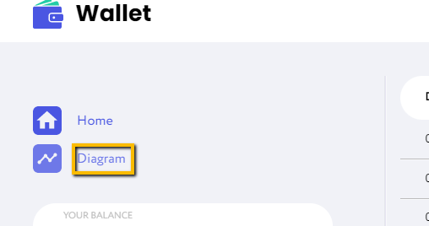 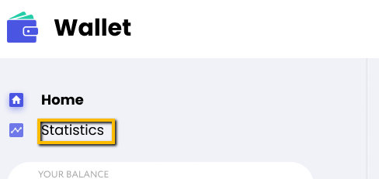
Additional info:

BugReport 13-1
ID : 3.3
Reporter: | Dolhyi Marian | Assignee: | Dariia Hrezhbik | Status: | new/open
Type: | visual | Severity: | Low | Priority: | Low
Browser: | Google Chrome | OS: | Windows | OS version | 11
Summary: | Incorrectly displayed sums at right side of page
Description: | At the layout page sums with a value greater than 1000 are displayed - thousands space hundreds

Pre-conditions:
1 | https://wallet-q-a.netlify.app/diagram opened in browser
2 | User authorized
Steps to reproduce:
1 | At the right side of page check data of amount
Actual result:
Sums with a value greater than 1000 are displayed - thousands are merged with hundreds. Font is normal

Expected result:
Sums with a value greater than 1000 are displayed - thousands space hundreds. Font is bold

Attachments:
Additional info:

BugReport 33 |  |  |  | Date | 2023-03-03
Reporter: | Mykola Galich | Assignee: | Dariia Hrezhbik | Status: | In progress
Type: | visual | Severity: | High | Priority: | High
Browser: | Google Chrome | OS: | Windows | OS version | 10
Summary: | Modal authorization window moves to the bottom of the page when change the scale to 110%
Description:

Pre-conditions:
1 | https://wallet-q-a.netlify.app/register is open
Steps to reproduce:
1 | Scale 100% (default)
2 | Change the scale to 110%
Actual result:
the modal window has dropped to the bottom of the screen

Expected result:
the window remains in the middle of the workspace when to change the scale

Attachments: | 
Additional info:

BugReport 40 |  |  |  | Date | 2023-03-03
Reporter: | Mykola Galich | Assignee: | Dariia Hrezhbik | Status: | In progress
Type: | visual | Severity: | High | Priority: | High
Browser: | Google Chrome | OS: | Windows | OS version | 10
Summary: | The radio button "Income" and "Expenses" disappear at 175% (250% full scr) zoom in modal window "Add transaction"
Description:

Pre-conditions:
1 | Main page of application opened
2 | User authorized
Steps to reproduce:
1 | On main page click the button "+" for opening "Add transaction" form
2 | Zoom in to 175%
Actual result:
At 175% scaling add transaction form changes to different view (similar to mobile device look) and swich "income/expence" disappears

Expected result:
When zoomed, the form adapts, the modal window is fully visible
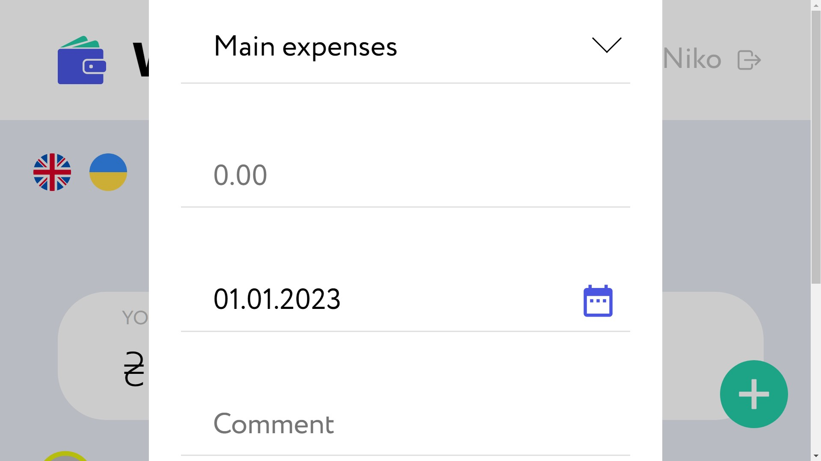
Attachments:
Additional info:

BugReport 50
ID 1.2
Reporter: | Zinaida Liashenko | Assignee: | Dariia Hrezhbik | Status: | new/open
Type: | visual | Severity: | Minor | Priority: | Medium
Browser: | Google Chrome 110.0.5481.177 | OS: | Windows | OS version | 10 Pro
Summary: | The user's icon is shown as the full user's name in the header
Description:

Pre-conditions:
1 | https://wallet-q-a.netlify.app is open.
2 | The user is authorized.
Steps to reproduce:
1 | Check the user's icon in the right corner of the header
Actual result:
The icon is shown as the full user's name

Expected result:
The icon is shown as the first letter of the user's name (part of the email with the login)

Attachments:

Additional info:

BugReport 52
ID 5.1
Reporter: | Iryna Kaniuk | Assignee: | Dariia Hrezhbik | Status: | new
Type: | visual | Severity: | Minor | Priority: | Low
Browser: | Google Chrome 110.0.5481. | OS: | Windows | OS version | 10
Summary: | Names of the headers display incorrect words in the table "Currency rate" when checking Currency
Description:

Pre-conditions:
1 | User authorized
Steps to reproduce:
1 | Open Home page
2 | Look at the left side of the page where "Currency rate" table is displayed
Actual result:
Names of the headers are "Currency", "Buying rate", "Selling rate" in the table "Currency rate"

Expected result:
Headers of the "Currency rate" table are "Currency", "Purchase", "Sale"

Attachments:

Additional info:

BugReport 55
ID 5.4
Reporter: | Iryna Kaniuk | Assignee: | Dariia Hrezhbik | Status: | new
Type: | visual | Severity: | Minor | Priority: | Low
Browser: | Google Chrome Version 110.0.5481. | OS: | Windows | OS version | 10
Summary: | The name of the "Add" button is different from the website layout at the transaction modal window
Description:
 | When adding a new transaction incorrect text is displayed: "Add transaction"
Pre-conditions:
1 | User authorized
2 | Home page opened
Steps to reproduce:
1 | Click on the "+" to add transaction
2 | A modal window pops up
3 | Pay attention to the button of adding a transaction
Actual result:
The name of the button is "ADD TRANSACTION"

Expected result:
The name of the button is "ADD"

Attachments: | Actual result |  |  | Expected result
 | 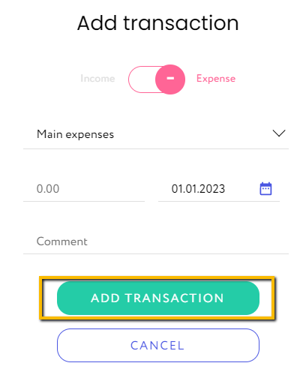 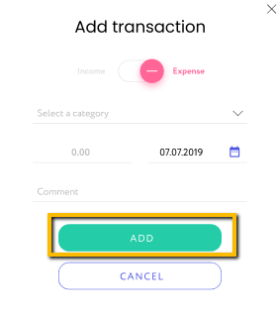

Additional info:

BugReport 67
ID 1.11
Reporter: | Zinaida Liashenko | Assignee: | Dariia Hrezhbik | Status: | new/open
Type: | visual | Severity: | Minor | Priority: | Medium
Browser: | Google Chrome | OS: | Android | OS version | 5.0.1
Summary: | The header's length doesn't adapt to the window's width when rotatating the device
Description: | when rotate to horizontal position - much space from the left side to the logo, the user's icon and the Exit button hide in the right side beyond the screen. when rotate to vertical position - much space from the left side to the logo and from the right side to the user's icon and the Exit button
Pre-conditions:
1 | https://wallet-q-a.netlify.app is open.
2 | The user is authorized.
Steps to reproduce:
1 | Rotate the device
Actual result:
The header's length doesn't fit to the window's width: when rotate to horizontal position - much space from the left side to the logo, the user's icon and the Exit button hide in the right side beyond the screen. when rotate to vertical position - much space from the left side to the logo and from the right side to the user's icon and the Exit button

Expected result:
The header's length fit the window's width.

Attachments:
 | when rotate to vertical position |  | 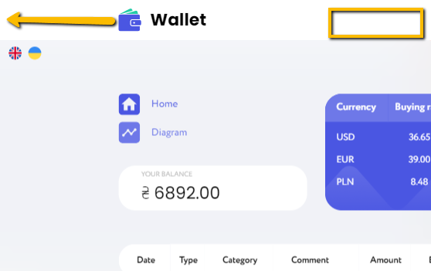 | when rotate to horizontal position
Additional info:

BugReport 68
ID 7.4.5
Reporter: | Svitlana Hnatiuk | Assignee: | Dariia Hrezhbik | Status: | new
Type: | visual | Severity: | Minor | Priority: | Medium
Browser: | Safari 4.0 | OS | IOS16.3.1 | Mobile version | 10
Summary: | The titles of "Purchase" and "Sale" in the window "Currenсy" do not match with the layout
Description:
Pre-conditions:
1 | https://wallet-q-a.netlify.app is open.
2 | The user is authorized.
3 | The tab "Currenсy" is open
Steps to reproduce:
1 | Pay attention to the titles of the table.
Actual result:
The titles are shown as "Currency", "Bying rate" and "Selling Rate"

Expected result:
The titles are shown as "Currency", "Purchase" and "Sale"
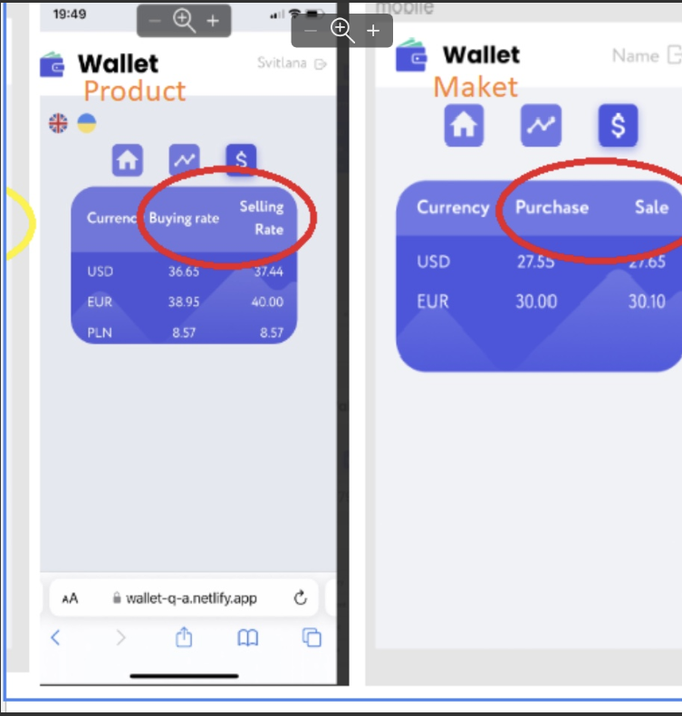
Attachments:

Additional info:

BugReport 69
ID : 7.3.3
Reporter: | Svitlana Hnatiuk | Assignee: | Dariia Hrezhbik | Status: | new
Type: | visual | Severity: | minor | Priority: | medium
Mobile Browser: | Safari 4.0 | OS: | IOS 16.1.3 | mobile version | 10
Summary: | Fill bar is not displayed under the input field "Confirm password" at the registration page
Description:

Pre-conditions:
1 | Website https://wallet-q-a.netlify.app/ is opened
Steps to reproduce:
1 | Click on the Sign Up button.
2 | Enter the valid data in the password field
3 | Enter the valid data in the confirmation password field
Actual result:
Fill bar is not displayed under the input field "Confirm password"

Expected result:
Fill bar is displayed under the input field "Confirm password"

Attachments: | 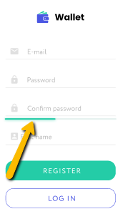
Additional info:

BugReport 70
Reporter: | Zinaida Liashenko | Assignee: | Dariia Hrezhbik | Status: | new/open
Type: | visual | Severity: | Minor | Priority: | Medium
Browser: | Google Chrome | OS: | Windows | OS version | 10
Summary: | Placement of elements do not adapt to changes when browser width is in the range from 555.56px to 767px
Description:
Pre-conditions:
1 | https://wallet-q-a.netlify.app is open.
2 | The user is authorized.
Steps to reproduce:
1 | Change the window width in the range from 555.56px to 767px
Actual result:
The table with the data expands, a scroll appears for scrolling to the side

Expected result:
Placement of elements adapts to changes in browser width
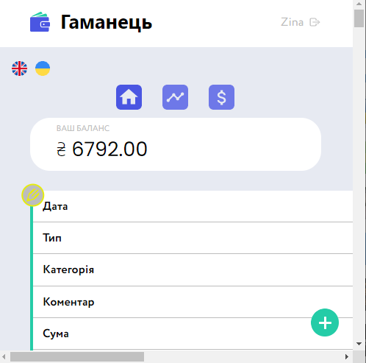
Attachments: | 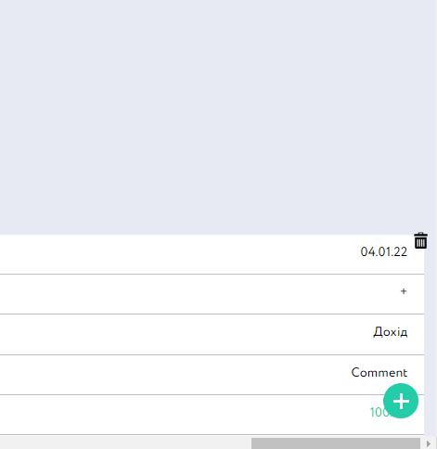

Additional info:

BugReport 71
Reporter: | Zinaida Liashenko | Assignee: | Dariia Hrezhbik | Status: | new/open
Type: | visual | Severity: | Minor | Priority: | Medium
Browser: | Google Chrome | OS: | Windows | OS version | 10
Summary: | Elements in the body of the main window overlap one another when window width is 767.78px
Description:
Pre-conditions:
1 | https://wallet-q-a.netlify.app is open.
2 | The user is authorized.
Steps to reproduce:
1 | Change the window width to 767,78px
Actual result:
Elements in the body of the main window overlap one another.

Expected result:
Placement of elements adapts to changes in browser width

Attachments: | 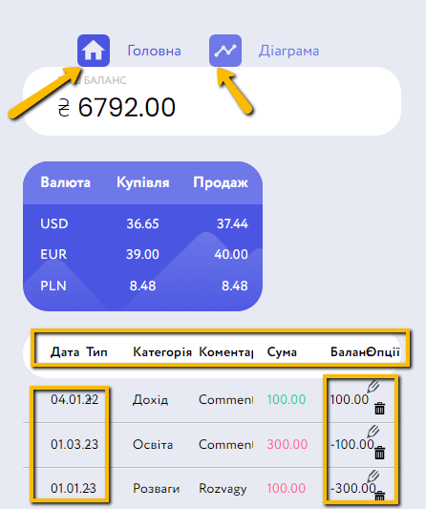

Additional info:

BugReport 73
ID : 7.3.3
Reporter: | Svitlana Hnatiuk | Assignee: | Dariia Hrezhbik | Status: | new
Type: | visual | Severity: | minor | Priority: | medium
Mobile Browser: | Safari 4.0 | OS: | IOS 16.1.3 | mobile version | 10
Summary: | The title of the items "Main expenses" in website is different than in the layout in modal window "ADD TRANSACTION"
Description: | the layout is visually different from the finished product

Pre-conditions:
1 | website https://wallet-q-a.netlify.app/ is opened
2 | the product layout is opened
3 | the user is authorized
4 | click on "+" for add transaction
Steps to reproduce:
1 | pay attention to the inscription "ADD"- in maket and "ADD TRANSACTION"- in website
2 | pay attention to the title "Main expenses"-website and the title "Select a category"- maket
Actual result:
the title of the items "Main expenses" in website and the title "Select a category" in the layout in modal window "ADD TRANSACTION" are different

Expected result:
inscriptions are the same. The title in website is "Select a category"

Attachments: | 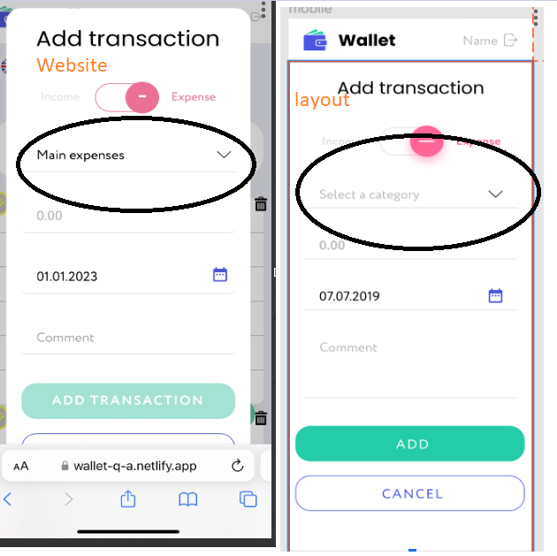
Additional info:

Markup
BugReport 14
Reporter: | Liapin Vadim | Assignee: | Dariia Hrezhbik | Status: | new/open
Type: | markup | Severity: | minor | Priority: | low
Browser: | Google Chrome | OS: | Windows | OS version | 10
Summary: | (Rectangle3) element color mismatch the website layout on the Login page
Description: | Color mismatch between template and app

Pre-conditions:
1 | https://wallet-q-a.netlify.app/ opened in browser
2 | User authorized
Steps to reproduce:
1 | Check (Rectangle3)
Actual result:
element color (Rectangle3)- #FFFFFF 66%

Expected result:
element color (Rectangle3)- #FFFFFF 40%

Attachments: | 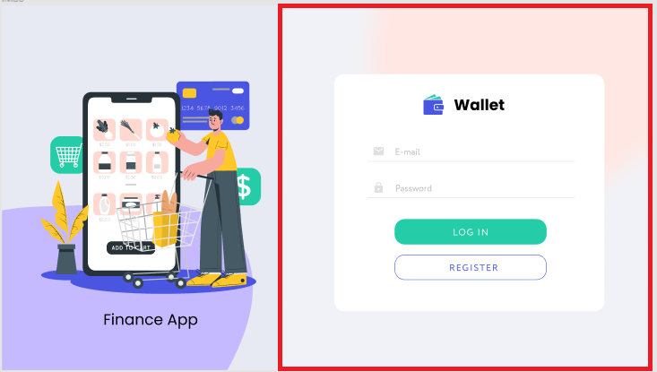
Additional info:

BugReport 16
Reporter: | Liapin Vadim | Assignee: | Dariia Hrezhbik | Status: | new/open
Type: | markup | Severity: | minor | Priority: | low
Browser: | Google Chrome | OS: | Windows | OS version | 10
Summary: | Vector (Diagram) element color mismatch the website layout on the Home page
Description:

Pre-conditions:
1 | https://wallet-q-a.netlify.app/ opened in browser
2 | User authorized
Steps to reproduce:
1 | Check Vector (Diagram) Check Vector (Home)
Actual result:
Color of Vector (Diagram) #6e78e8

Expected result:
Color Vector (Diagram)-#4A56E2

Attachments: | 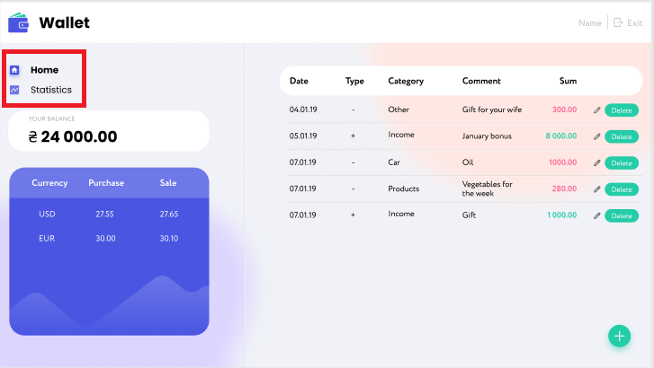
Additional info:

BugReport 17
Reporter: | Liapin Vadim | Assignee: | Dariia Hrezhbik | Status: | new/open
Type: | markup | Severity: | minor | Priority: | low
Browser: | Google Chrome | OS: | Windows | OS version | 10
Summary: | The elements: (Date) (Type) (Category) (Comment) are included in (Rectangle9) exept (Sum) at the Home Page
Description:

Pre-conditions:
1 | https://wallet-q-a.netlify.app/ opened in browser
2 | User authorized
Steps to reproduce:
1 | Check the element (Rectangle9)
Actual result:
elements: (Date) (Type) (Category) (Comment) are included in (Rectangle9) exept (Sum)

Expected result:
Element Validation (Rectangle9) on the content of elements: (Date) (Type) (Category) (Comment) (Sum)

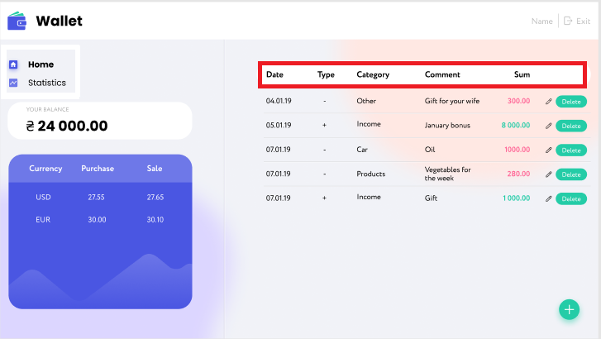 Attachments:
Additional info:

BugReport 18
Reporter: | Liapin Vadim | Assignee: | Dariia Hrezhbik | Status: | new/open
Type: | markup | Severity: | minor | Priority: | low
Browser: | Google Chrome | OS: | Windows | OS version | 10
Summary: | The element colors: (Date) (Type) (Category) (Comment) - #000000 are the same exept element (Sum) at the Home page
Description:

Pre-conditions:
1 | https://wallet-q-a.netlify.app/ opened in browser
2 | User authorized
Steps to reproduce:
1 | Check element colors: (Date) (Type) (Category) (Comment) (Sum)-#000000
Actual result:
element colors: (Date) (Type) (Category) (Comment) - #000000 are the same exept element (Sum)

Expected result:
element colors: (Date) (Type) (Category) (Comment) (Sum)-#000000

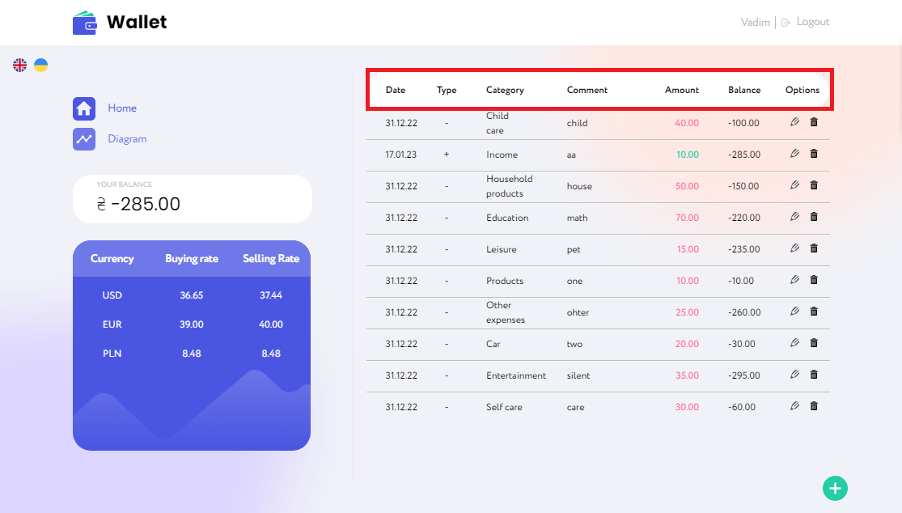 Attachments:
Additional info:

BugReport 18-1
Reporter: | Liapin Vadim | Assignee: | Dariia Hrezhbik | Status: | new/open
Type: | markup | Severity: | minor | Priority: | medium
Browser: | Google Chrome | OS: | Windows | OS version | 10
Summary: | The element (Delete) looks like a "trash can" icon instead of the word (Delete) at the Home page
Description:

Pre-conditions:
1 | https://wallet-q-a.netlify.app/ opened in browser
2 | User authorized
Steps to reproduce:
1 | Color check (Delete)-#24CCA7
Actual result:
The element (Delete) looks like a "trash can" instead of the word (Delete)

Expected result:
Color check (Delete)-#24CCA7

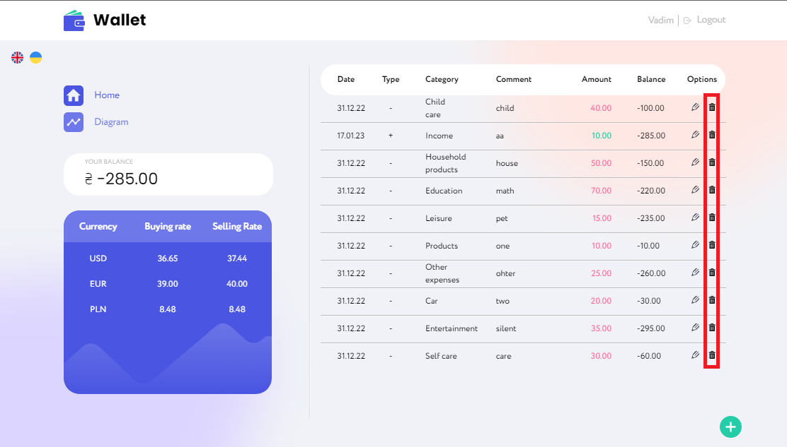 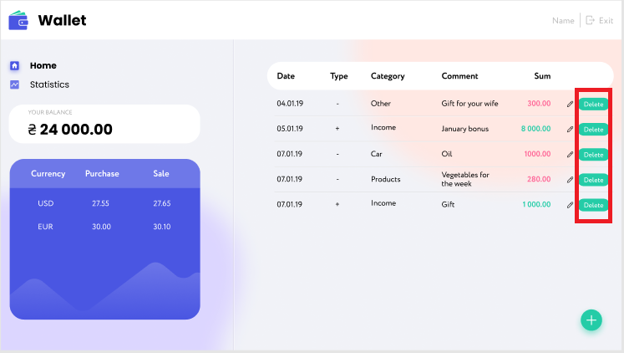 Attachments:
Additional info:

BugReport 19
Reporter: | Liapin Vadim | Assignee: | Dariia Hrezhbik | Status: | new/open
Type: | markup | Severity: | minor | Priority: | low
Browser: | Google Chrome | OS: | Windows | OS version | 10
Summary: | Lack of color in (Group294) #FED057 on the Statistic page
Description:

Pre-conditions:
1 | https://wallet-q-a.netlify.app/ opened in browser
2 | User authorized
Steps to reproduce:
1 | Click on Statistic button
2 | Color check (Delete)-#24CCA7
Actual result:
The element (Delete) looks like a "trash can" instead of the word (Delete)

Expected result:
Color check (Delete)-#24CCA7

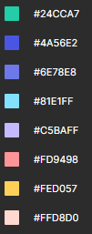 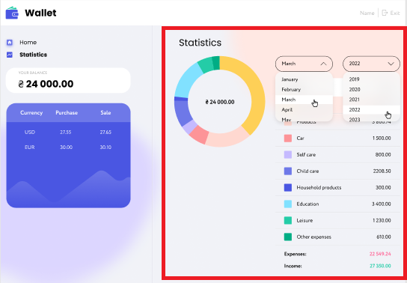 Attachments:
Additional info:

BugReport 20
Reporter: | Liapin Vadim | Assignee: | Dariia Hrezhbik | Status: | new/open
Type: | markup | Severity: | minor | Priority: | low
Browser: | Google Chrome | OS: | Android | OS version | 10
Summary: | The component group (Frame) is missing on the Log in page
Description:

Pre-conditions:
1 | https://wallet-q-a.netlify.app/ opened in browser
Steps to reproduce:
1 | Check (Frame)
Actual result:
The component group (Frame) is missing

Expected result:
(Frame) is included in logins

Attachments: | 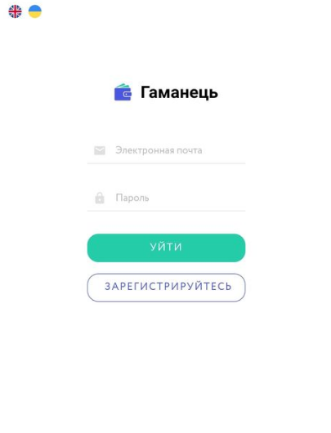 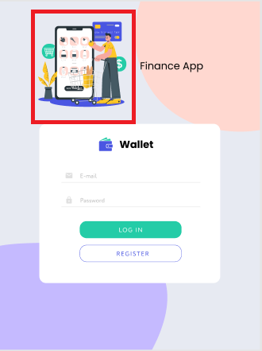
Additional info:

BugReport 21
Reporter: | Liapin Vadim | Assignee: | Dariia Hrezhbik | Status: | new/open
Type: | markup | Severity: | minor | Priority: | low
Browser: | Google Chrome | OS: | Android | OS version | 10
Summary: | The component (Ellipse1) is missing at the Log in page
Description:

Pre-conditions:
1 | https://wallet-q-a.netlify.app/ opened in browser
Steps to reproduce:
1 | Check (Ellipse1)
Actual result:
The component (Ellipse1) is missing

Expected result:
(Ellipse1) is included in logins

Attachments: | 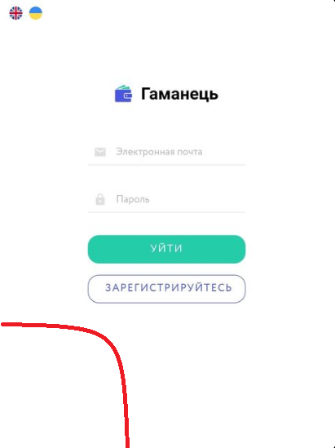 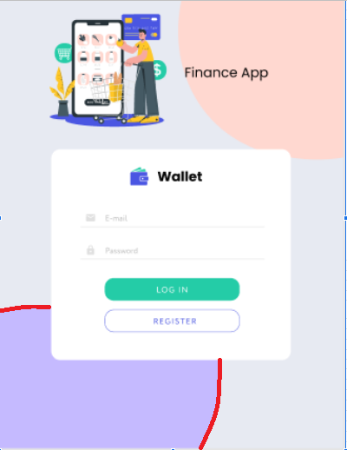
Additional info:

BugReport 22
Reporter: | Liapin Vadim | Assignee: | Dariia Hrezhbik | Status: | new/open
Type: | markup | Severity: | minor | Priority: | low
Browser: | Google Chrome | OS: | Android | OS version | 10
Summary: | The component (Ellipse2) is missing on the Log in page
Description:

Pre-conditions:
1 | https://wallet-q-a.netlify.app/ opened in browser
Steps to reproduce:
1 | Check (Ellipse2)
Actual result:
The component (Ellipse2) is missing

Expected result:
(Ellipse2) is included in logins

Attachments: | 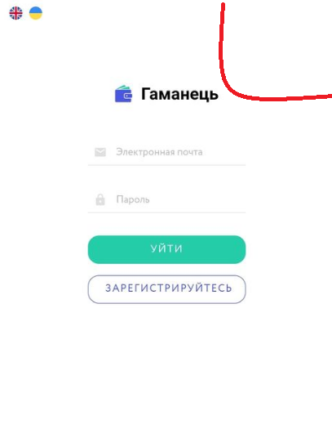 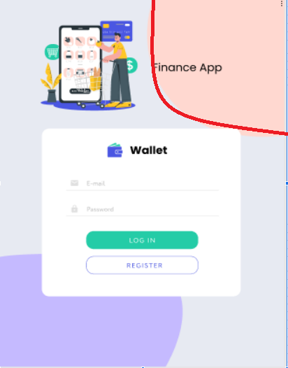
Additional info:

BugReport 23
Reporter: | Liapin Vadim | Assignee: | Dariia Hrezhbik | Status: | new/open
Type: | markup | Severity: | minor | Priority: | low
Browser: | Google Chrome | OS: | Android | OS version | 10
Summary: | The component (Finance App) is missing on the Log in page
Description:

Pre-conditions:
1 | https://wallet-q-a.netlify.app/ opened in browser
Steps to reproduce:
1 | Check (Finance App) component
Actual result:
The component (Finance App) is missing

Expected result:
(Finance App) is included in logins

Attachments: | 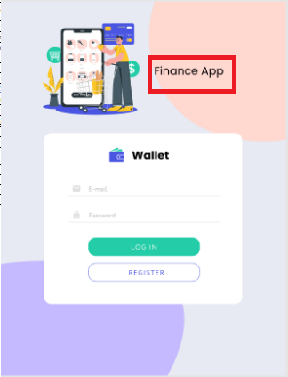 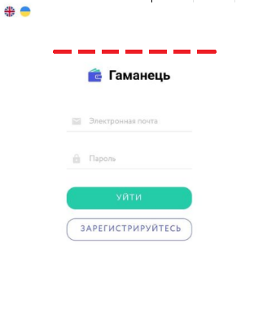
Additional info:

BugReport 26
Reporter: | Liapin Vadim | Assignee: | Dariia Hrezhbik | Status: | new/open
Type: | markup | Severity: | minor | Priority: | low
Browser: | Google Chrome | OS: | Android | OS version | 10
Summary: | The component group (Frame) is missing on the Registration page (horisontal position)
Description:

Pre-conditions:
1 | https://wallet-q-a.netlify.app/ opened in browser
Steps to reproduce:
1 | Turn the screen horizontally
2 | Click on the Registration button
3 | Check (Frame)
Actual result:
The component group (Frame) is missing

Expected result:
(Frame) is included in Regestration

Attachments: |  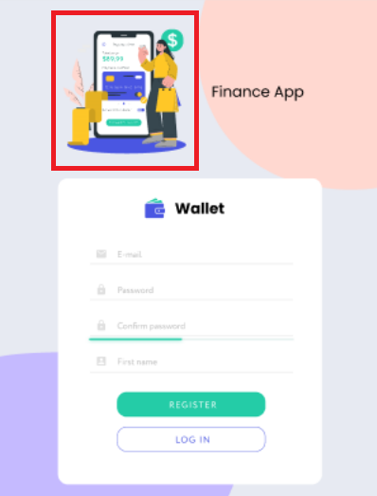
Additional info:

BugReport 27
Reporter: | Liapin Vadim | Assignee: | Dariia Hrezhbik | Status: | new/open
Type: | markup | Severity: | minor | Priority: | low
Browser: | Google Chrome | OS: | Android | OS version | 10
Summary: | The component (Finance App) is missing on the Registration page (horizontal position)
Description:

Pre-conditions:
1 | https://wallet-q-a.netlify.app/ opened in browser
Steps to reproduce:
1 | Turn the screen horizontally
2 | Click on the Registration button
3 | Check (Finance App)
Actual result:
The component (Finance App) is missing

Expected result:
(Finance App) is included in Regestration

Attachments: | 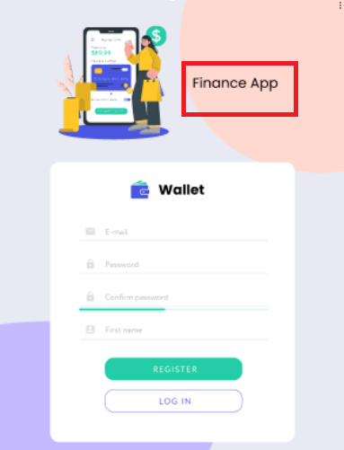
Additional info:

BugReport 29
Reporter: | Liapin Vadim | Assignee: | Dariia Hrezhbik | Status: | new/open
Type: | markup | Severity: | minor | Priority: | low
Browser: | Google Chrome | OS: | Android | OS version | 10
Summary: | The component (Ellipse1) is missing on the Registration page (vertical position)
Description:

Pre-conditions:
1 | https://wallet-q-a.netlify.app/ opened in browser
Steps to reproduce:
1 | Click on the Registration button
2 | Check (Ellipse1)
Actual result:
The component (Ellipse1) is missing

Expected result:
(Ellipse1) is included in Regestration

Attachments: | 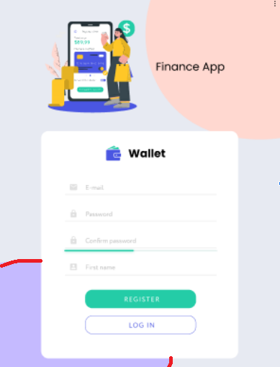 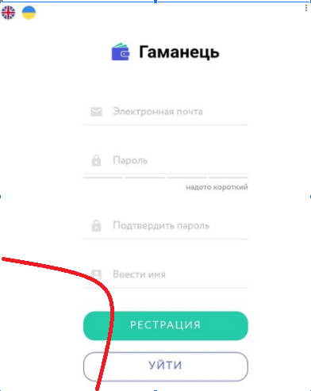
Additional info:

BugReport 30
Reporter: | Liapin Vadim | Assignee: | Dariia Hrezhbik | Status: | new/open
Type: | markup | Severity: | minor | Priority: | low
Browser: | Google Chrome | OS: | Android | OS version | 10
Summary: | The component (Ellipse2) is missing on the Registration page (vertical position)
Description:

Pre-conditions:
1 | https://wallet-q-a.netlify.app/ opened in browser
Steps to reproduce:
1 | Click on the Registration button
2 | Check (Ellipse2)
Actual result:
The component (Ellipse2) is missing

Expected result:
(Ellipse2) is included in Regestration

Attachments: | 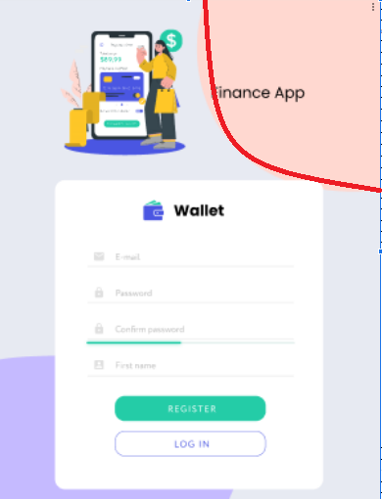 
Additional info:

BugReport 32
Reporter: | Liapin Vadim | Assignee: | Dariia Hrezhbik | Status: | new/open
Type: | markup | Severity: | minor | Priority: | low
Browser: | Google Chrome | OS: | Android | OS version | 10
Summary: | The component (Ellipse1) is missing at the Home page (vertical position)
Description:

Pre-conditions:
1 | https://wallet-q-a.netlify.app/ opened in browser
2 | User authorized
Steps to reproduce:
1 | Check (Ellipse1)
Actual result:
The component (Ellipse1) is missing


Expected result:
color of the element (Ellipse1)- #C5BAFF

Attachments: | 
Additional info:

BugReport 44
Reporter: | Liapin Vadim | Assignee: | Dariia Hrezhbik | Status: | new/open
Type: | markup | Severity: | minor | Priority: | low
Browser: | Google Chrome | OS: | Android | OS version | 10
Summary: | The component (Ellipse2) is missing on the Home page (vertical position)
Description:

Pre-conditions:
1 | https://wallet-q-a.netlify.app/ opened in browser
2 | User authorized
Steps to reproduce:
1 | Check (Ellipse2)
Actual result:
The component (Ellipse2) is missing

Expected result:
"Element color (Ellipse2)- #FFD8D0"

Attachments: |  
Additional info:

BugReport 45
Reporter: | Liapin Vadim | Assignee: | Dariia Hrezhbik | Status: | new/open
Type: | markup | Severity: | minor | Priority: | low
Browser: | Google Chrome | OS: | Android | OS version | 10
Summary: | Color Vector (Diagram)-#6e78e8 on the Home page (vertical position)
Description:

Pre-conditions:
1 | https://wallet-q-a.netlify.app/ opened in browser
2 | User authorized
Steps to reproduce:
1 | Check (Diagram)
Actual result:
Color of Vector (Diagram) #6e78e8

Expected result:
Color Vector (Diagram)-#4A56E2

Attachments:
Additional info:

BugReport 46
Reporter: | Liapin Vadim | Assignee: | Dariia Hrezhbik | Status: | new/open
Type: | markup | Severity: | minor | Priority: | low
Browser: | Google Chrome | OS: | Android | OS version | 10
Summary: | The element (Delete) looks like a "trash can"on the Home page (vertical position)
Description:

Pre-conditions:
1 | https://wallet-q-a.netlify.app/ opened in browser
2 | User authorized
Steps to reproduce:
1 | Check (Delete)
Actual result:
The element (Delete) looks like a "trash can" instead of the word (Delete)

Expected result:
Color Vector (Diagram)-#4A56E2

Attachments:
Additional info:

